Linear Regression
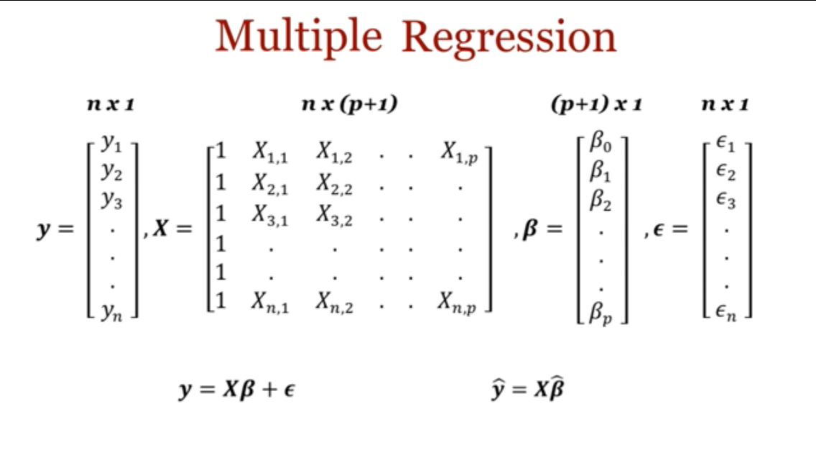
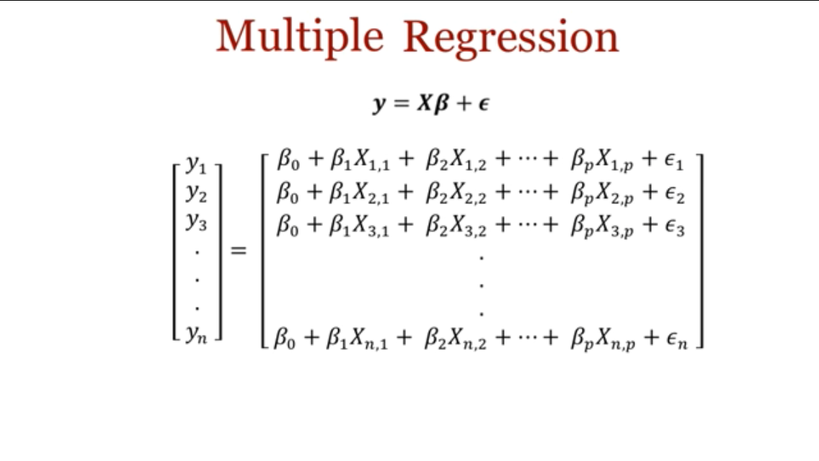
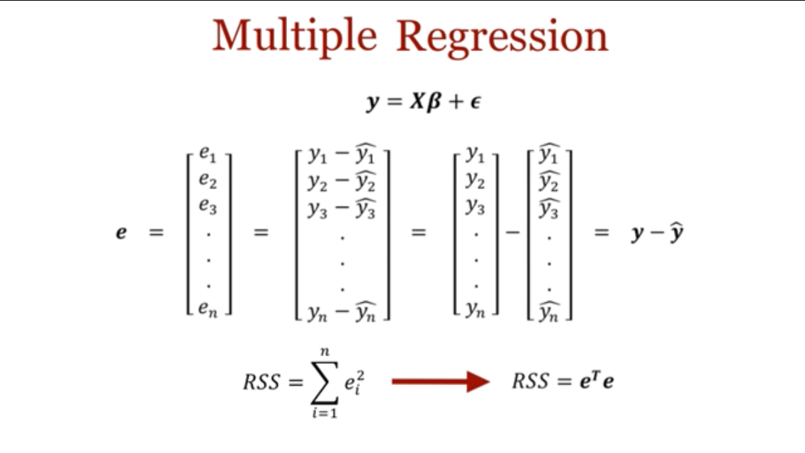
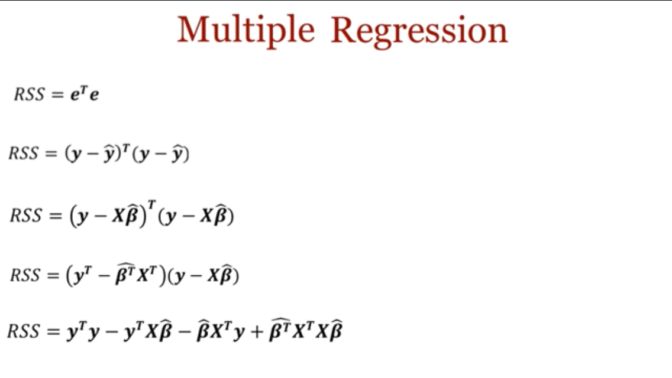
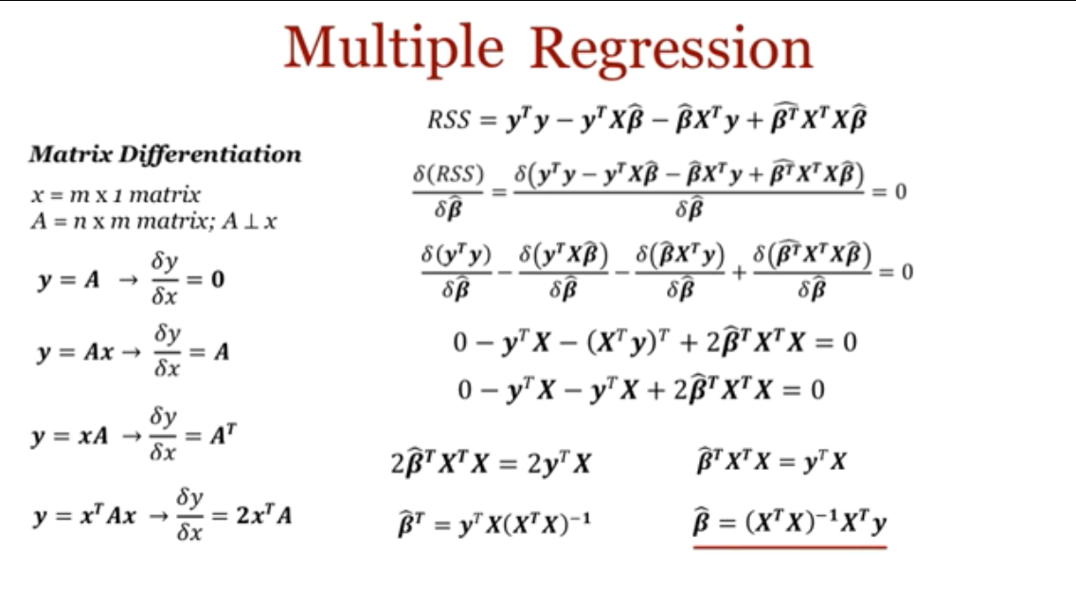
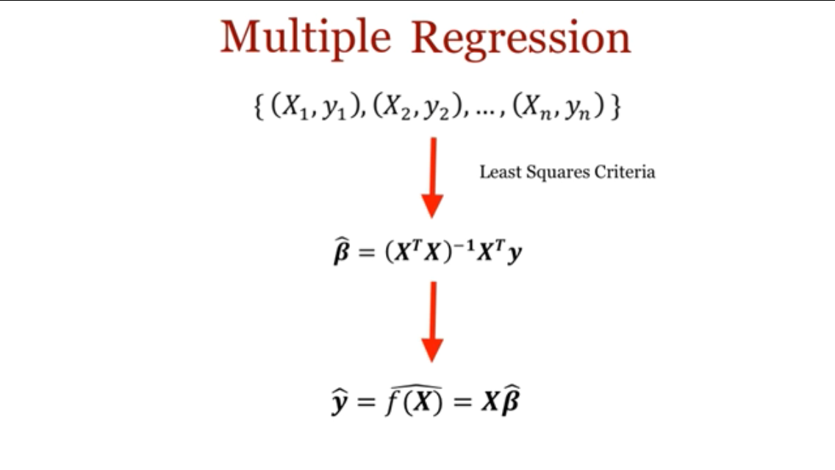
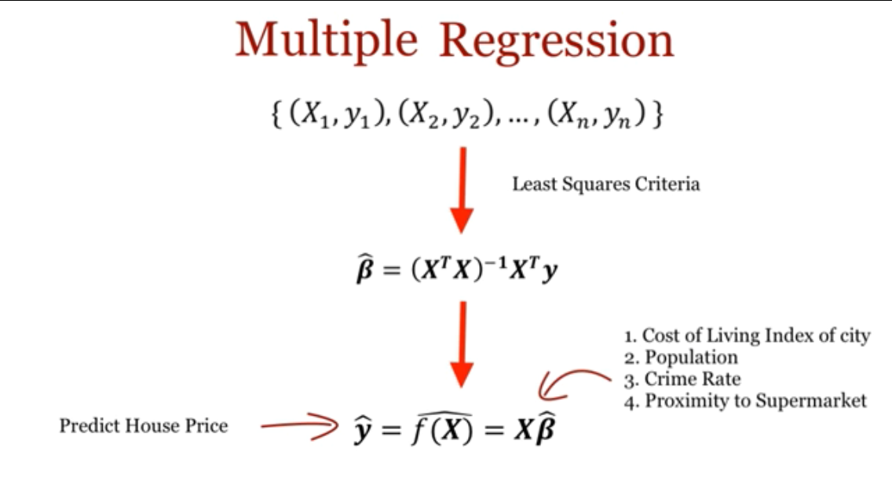
 | Age (X) (year) | Height (Y) (cm) | Age – mean(Age) | Height – mean(Height) | [ Age – mean(Age) ] * [ Height – mean(Height) ] | [ Age – mean(Age) ]^2 |  | Step 5: | Predicted Height | ( Height - Predicted Height )^2 | [ Height – mean(Height) ]^2
 | 1 | 30 | -1.5 | -35 | 52.5 | 2.25 |  |  | 38 | 64 | 1225
 | 2 | 65 | -0.5 | 0 | 0 | 0.25 |  |  | 56 | 81 | 0
 | 3 | 80 | 0.5 | 15 | 7.5 | 0.25 |  |  | 74 | 36 | 225
 | 4 | 85 | 1.5 | 20 | 30 | 2.25 |  |  | 92 | 49 | 400

mean | 2.5 | 65 |  | sum | 90 | 5 |  | Step 6: |  | RSS | TSS
StdDev | 1.2909944487 | 24.832774043 |  |  |  |  |  |  |  | 230 | 1850
StdErr | 0.64549722437 | 12.416387021 |  |  |  |  |  |  |  | MSE | R^2
 |  |  |  | Step 1: | Height (Y) = a + b * Age (X) |  |  |  |  | 57.5 | 0.87567567568
 |  |  |  | Step 2: | b (b1) = | 18 |  |  |  | RMSE (cm in Height) | Adjusted R^2
 |  |  |  | Step 3: | a (b0) = | 20 |  |  |  | 7.5828754441 | 0.62702702703
 |  |  |  | Step 4: | Height (Y) = 20 + 18 * Age (X) |  |  |  |  | p = | 1
Height (Y) by Age (X)
 |  |  |  |  |  |  |  |  |  | n = | 4
 |  |  |  |  |  |  |  |  |  | F = | 14.086956522
 |  |  |  |  |  |  |  |  |  | t = | 3.753259453 | <-- The P-Value is 0.033044. The result is significant at p < 0.05.
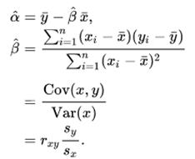
 |  |  |  |  |  |  |  |  |  |  |  | http://www.socscistatistics.com/pvalues/tdistribution.aspx

 |  |  |  |  |  | r | 0.93577544084 |  |  | b1 – 0 ( mean/t test different from 0 ? ) | 18
 |  |  |  |  |  | Sy | 24.832774043 |  |  | se(b1) | 4.7958315233
 |  |  |  |  |  | Sx | 1.2909944487 |  |  | t = | 3.753259453
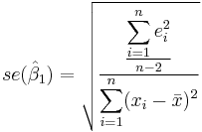
 |  |  |  |  |  | b (b1) = | 18
 |  |  |  |  |  |  |  |  |  | http://reliawiki.org/index.php/Simple_Linear_Regression_Analysis#t_Tests
 |  |  |  |  |  | Adjusted r | 1
 |  |  |  |  |  | r^2 = R^2 | 0.87567567568

 | b = (Xt*X)^-1*Xt*y

X = Age (year)
X0 | X1
1 | 1
1 | 2
1 | 3
1 | 4

Xt = Transpose(X)
1 | 1 | 1 | 1
1 | 2 | 3 | 4

(Xt*X)
4 | 10
10 | 30

(Xt*X)^-1
1.5 | -0.5
-0.5 | 0.2

(Xt*X)^-1*Xt |  |  |  |  | y = Height (cm)
1 | 0.5 | 0 | -0.5 |  | 30
-0.3 | -0.1 | 0.1 | 0.3 |  | 65
 |  |  |  |  | 80
 |  |  |  |  | 85

 |  | b = (Xt*X)^-1*Xt*y
 | b0 = | 20
 | b1 = | 18

